PP Prod
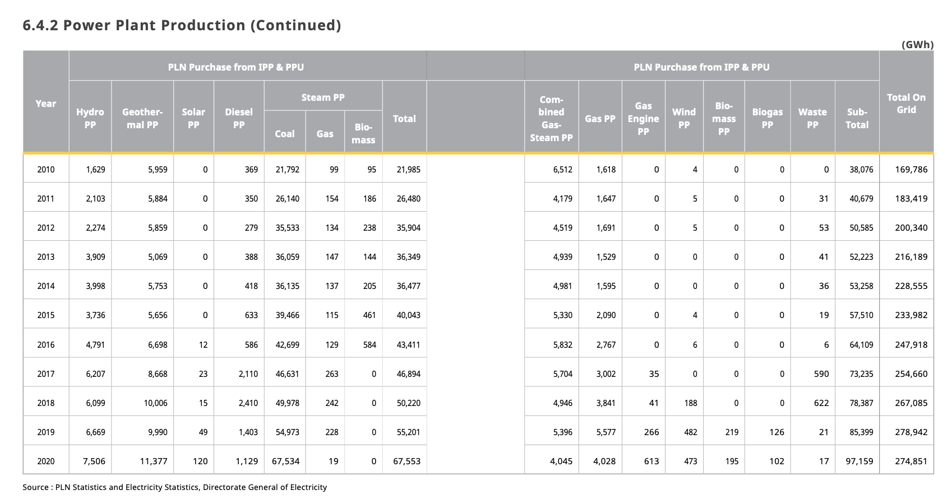
Power Plant Production - Indonesia 2020 (GWh)
 | PLN | PLN Purchase from IPP and PPU | Total
biomass | 0.00 | 195.00 | 195.00
crude oil | 34.00 | 0.00 | 34.00
geothermal | 4,186.00 | 11,377.00 | 15,563.00
hard coal | 113,335.00 | 67,534.00 | 180,869.00
heavy or residual fuel oil | 0.00 | 0.00 | 0.00
hydro | 11,949.00 | 7,506.00 | 19,455.00
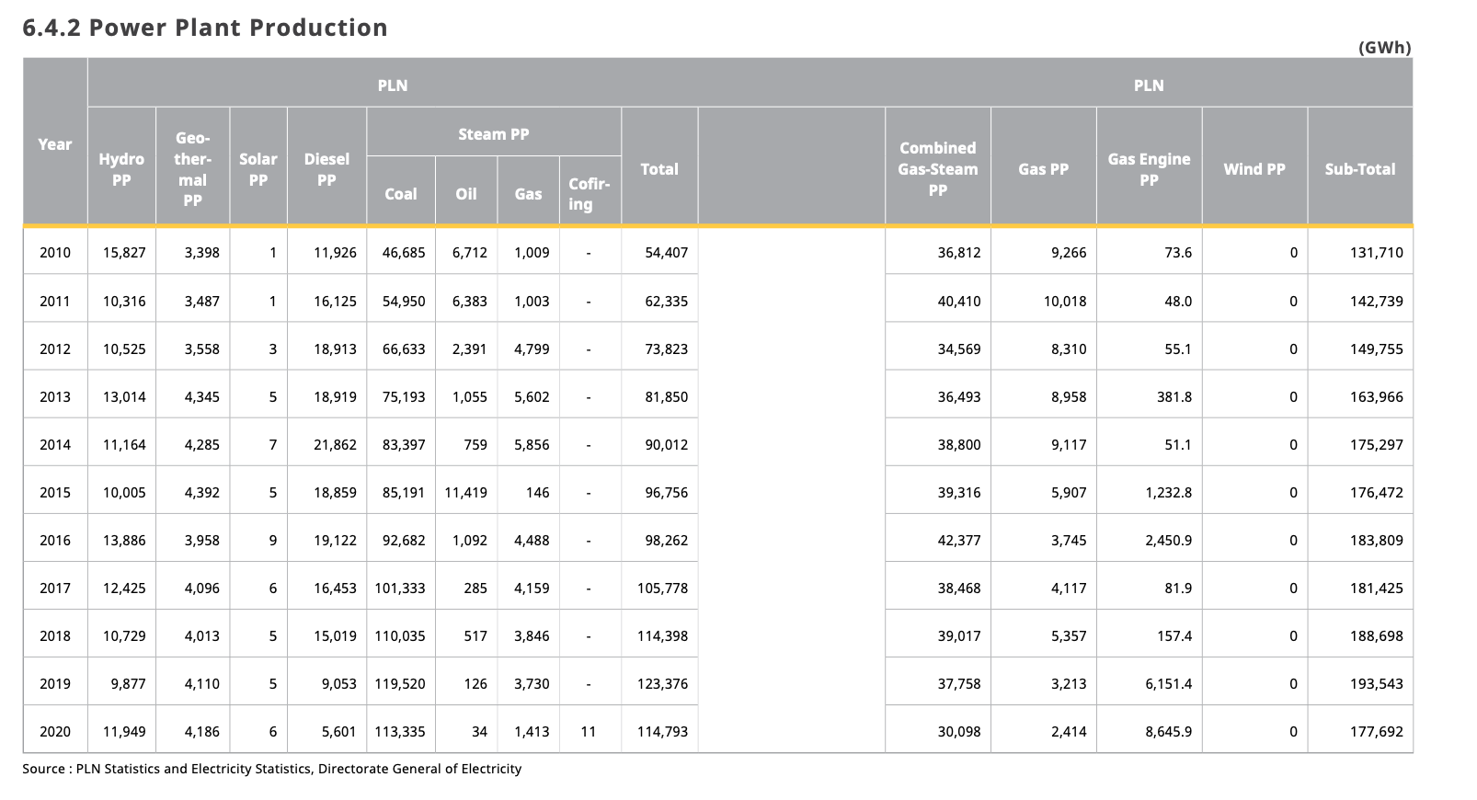
lignite | 0.00 | 0.00 | 0.00
municipal solid waste | 0.00 | 17.00 | 17.00
natural gas nonpeaker | 32,512.00 | 8,073.00 | 40,585.00
natural gas peaker | 1,413.00 | 19.00 | 1,432.00
nuclear | 0.00 | 0.00 | 0.00
other | 8,656.00 | 716.00 | 9,372.00
petroleum | 5,601.00 | 1,129.00 | 6,730.00
solar pv | 6.00 | 120.00 | 126.00
solar thermal | 0.00 | 0.00 | 0.00
wind | 0.00 | 473.00 | 473.00
TOTAL | 177,692.00 | 97,159.00 | 274,851.00

